About
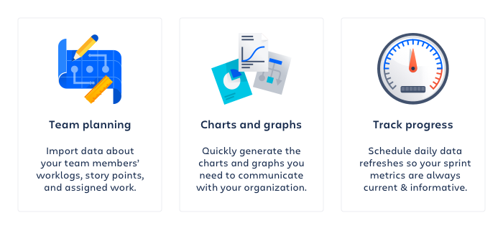

Created on: | 16 Aug 24 17:52 UTC
Jira Site: | https://trapeze-na.atlassian.net
Jira Query: | project in (EAM) AND fixVersion in (24.0) AND "Documentation Requested[Select List (multiple choices)]" = "Release Notes" ORDER BY cf[10079] ASC

